Request
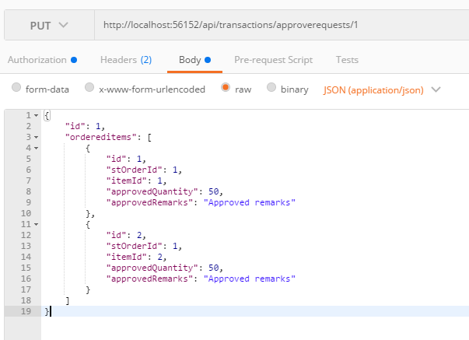
Parameter | Data Type | Length | Required | Unique | Remarks
Token | String |  | Yes |  | Bearer Token see AuthenticateAPI docu
Id | Int |  | Yes
OrderedItems | Array |  | Yes
Id | Int |  | Yes
STOrderId | Int |  | Yes
ItemId | Int |  | Yes
ApprovedQuantity | Int |  | Yes
ApprovedRemarks | String

Example

Response
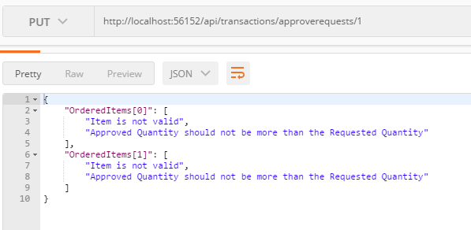
With Error

